Sheet1
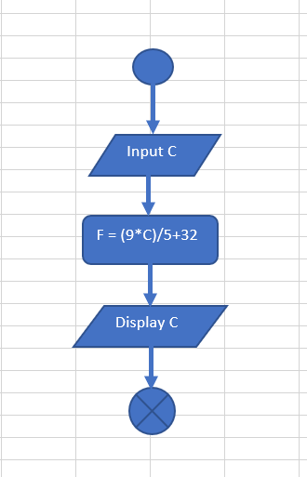

Input C

Input C

Display C

